Sheet1
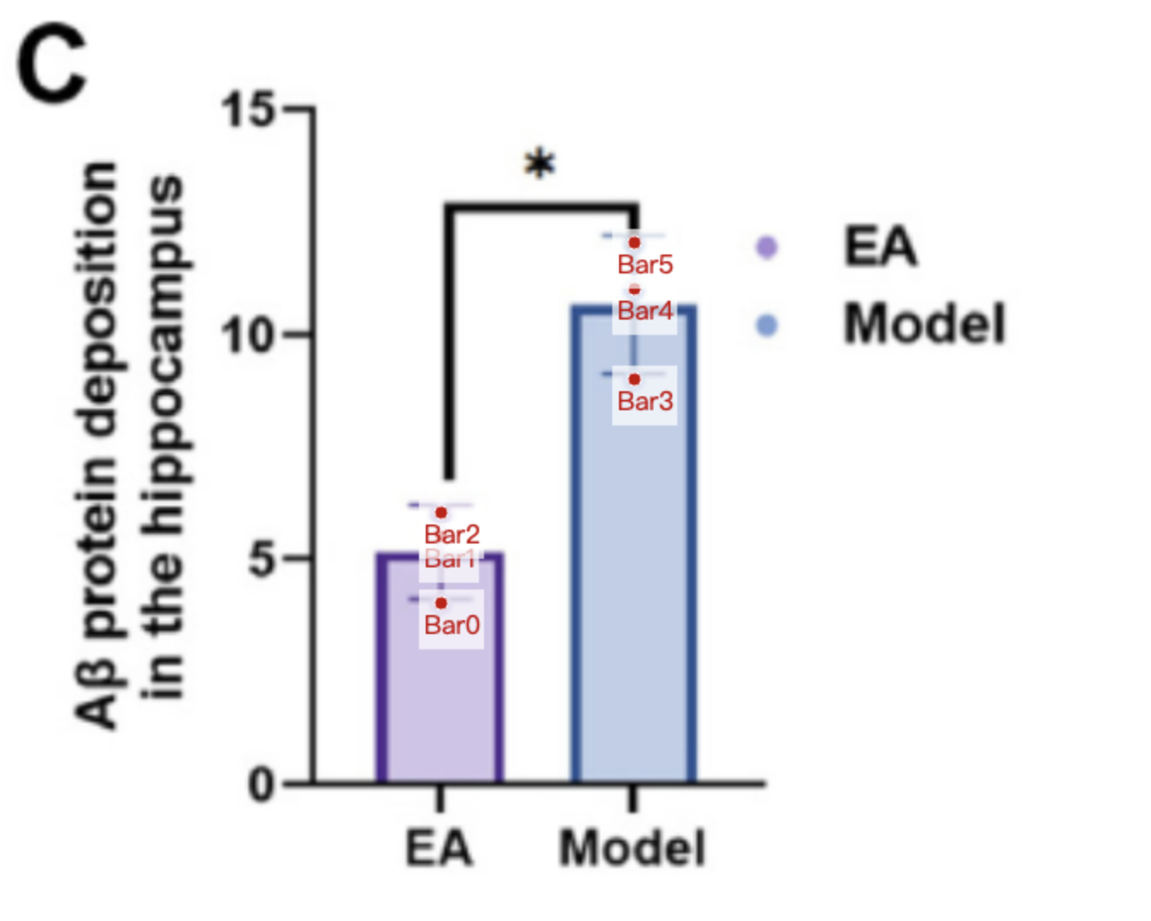
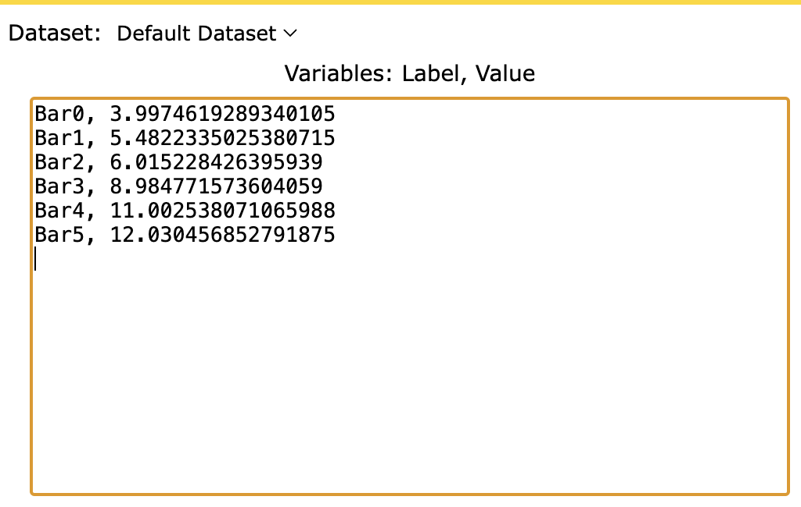
Treatment Groups | EA_Ab_protein | Model_Ab_protein
point1 | 3.9974619289 | 8.9847715736
point2 | 5.4822335025 | 11.002538071
point3 | 6.0152284264 | 12.030456853
mean | 5.164974619 | 10.67258883
sd | 1.045626754 | 1.549419111

